VPOs
 | Perfecty alright | Comfortable | Neutral/ Don’t mind | Disturbing | Very Disturbing
Hanging and cluttered wires |  |  | 2 | 25 | 73
Open dumps of solid waste |  |  | 2 | 31 | 67
Outdoor Advertisements |  | 2 | 1 | 33 | 64
Dilapidated buildings |  |  | 3 | 40 | 57
Giraffiti/wall chalking |  |  | 6 | 48 | 46
Encrochments (temp and permanent) |  | 3 | 12 | 41 | 44
Various poles and transformers | 3 | 7 | 7 | 40 | 43
Architecturely poor structures |  | 3 | 12 | 47 | 38
Overflown sewerage/drainage |  | 1 | 9 | 55 | 35
Broken roads/ditches |  |  | 23 | 55 | 22
 |  |  |  | VPO Ranking by Respondants |  |  |  |  |  |  | Picture No from Questionnaire Does Visual Pollution Exisit
VPOs list and Characteristics |  |  |  | VPO | Perfecty alright | Comfortable | Neutral/ Don’t mind | Disturbing | Very Disturbing | Linear Ranking
Sr. No. | VPO |  | Characteristic | Hanging and cluttered wires |  |  | 2 | 25 | 73 | 1 | 4
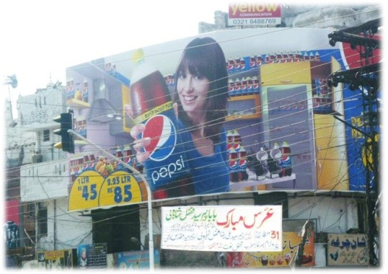
1 | Billboards/hoardings |  | color | Open dumps of solid waste |  |  | 2 | 31 | 67 | 2
 |  |  | height | Outdoor Advertisements |  | 2 | 1 | 33 | 64 | 3 | 2, 5, 7
 |  |  | structure | Dilapidated buildings |  |  | 3 | 40 | 57 | 4 | 1
 |  |  | content | Giraffiti/wall chalking |  |  | 6 | 48 | 46 | 5 | 3
 |  |  | size | Encrochments (temp and permanent) |  | 3 | 12 | 41 | 44 | 6 | 6, 11
 |  |  | location/proximity to other uses | Various poles and transformers | 3 | 7 | 7 | 40 | 43 | 7
 |  |  | Physical appearance | Architecturely poor structures |  | 3 | 12 | 47 | 38 | 8 | 8
 |  |  | Type (digital, mechanical, painted, mobile, poster) | Overflown sewerage/drainage |  | 1 | 9 | 55 | 35 | 9 | 10
 |  |  | placement | Broken roads/ditches |  |  | 23 | 55 | 22 | 10 | 10
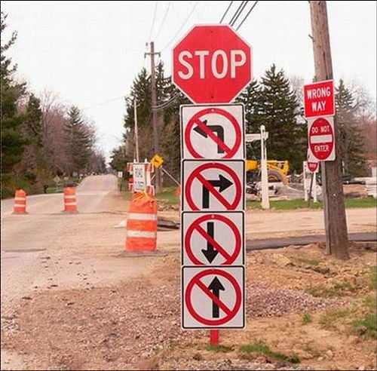
2 | signage (directional, information) |  | color
 |  |  | height
 |  |  | structure
 |  |  | content
 |  |  | size
 |  |  | location/proximity to other uses
 |  |  | Physical appearance
 |  |  | Type (digital, mechanical, painted, mobile, poster)
 |  |  | placement
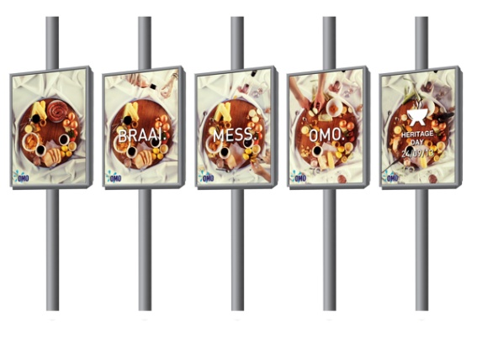
3 | streamers |  | color
 |  |  | height
 |  |  | structure
 |  |  | content
 |  |  | size
 |  |  | location/proximity to other uses
 |  |  | Physical appearance
 |  |  | Type (digital, mechanical, painted, mobile, poster)
 |  |  | placement
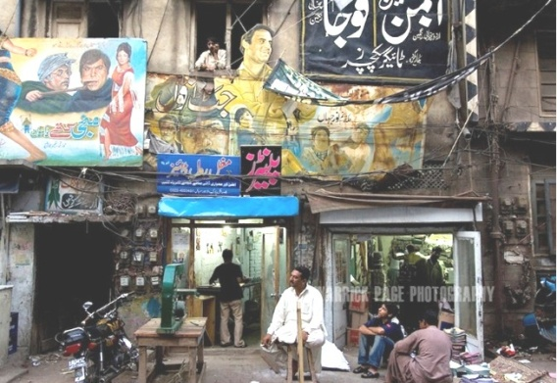
4 | banners/posters |  | color
 |  |  | height
 |  |  | structure
 |  |  | content
 |  |  | size
 |  |  | location/proximity to other uses
 |  |  | Physical appearance
 |  |  | Type (digital, mechanical, painted, mobile, poster)
 |  |  | placement
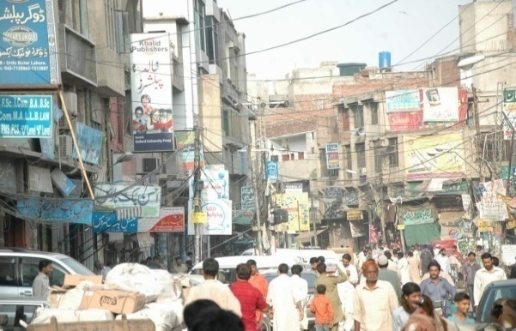
5 | identification signs |  | color
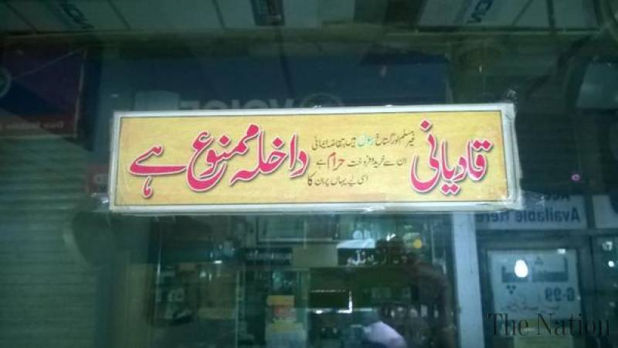
 |  |  | height
 |  |  | structure
 |  |  | content
 |  |  | size
 |  |  | location/proximity to other uses
 |  |  | Physical appearance
 |  |  | Type (digital, mechanical, painted, mobile, poster)
 |  |  | placement
6 | Dilapidated buildings |  | Color
 |  |  | height
 |  |  | irregular façade
 |  |  | Visual appearance
 |  | 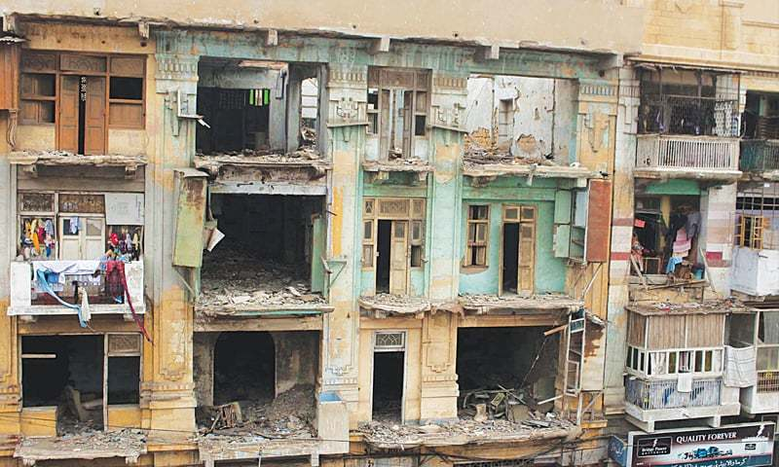 | Condition
7 | Open dumps of SW |  | Volume
 |  | 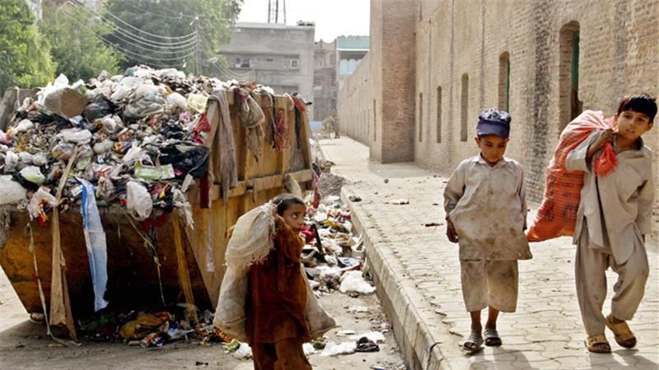 | location/proximity to other uses
8 | Hanging communication wires |  | volume
 |  |  | location/proximity to other uses
 |  | 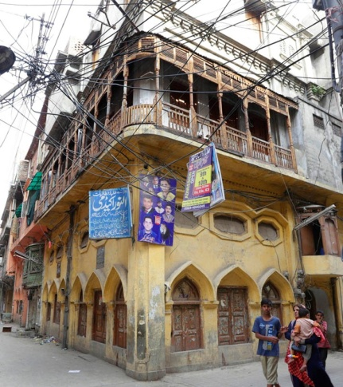 | Condition
9 | Giraffiti/wall chalking |  | Content
 |  | 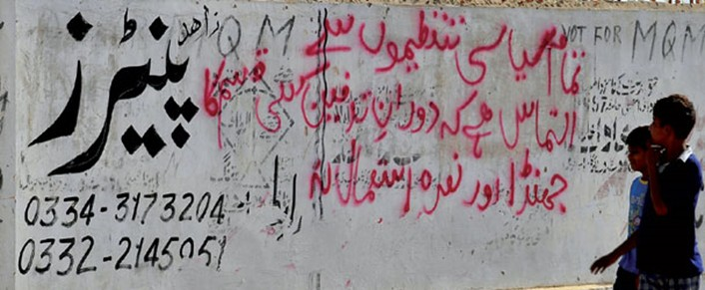 | placement
10 | broken roads/ditches | 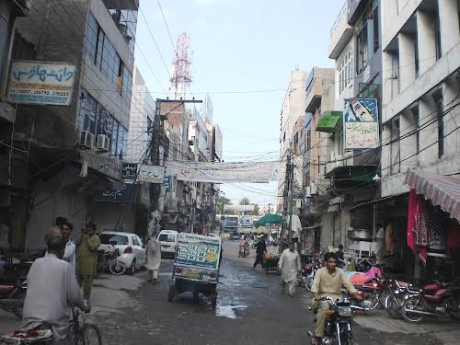
11 | overflown sewerage/drainage | 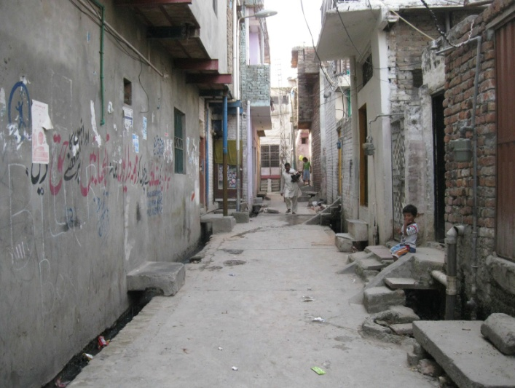 | open/closed
12 | Ramps
13 | Extended building façade from building line |  | Is this a VPO? Need guidance
14 | blue water tanks on rooftops | 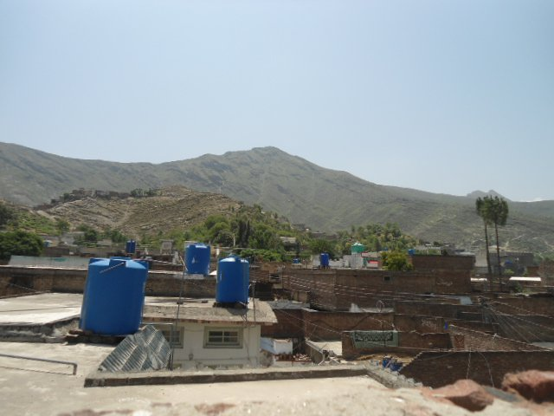 | Area
15 | Communicatio poles and transformers | 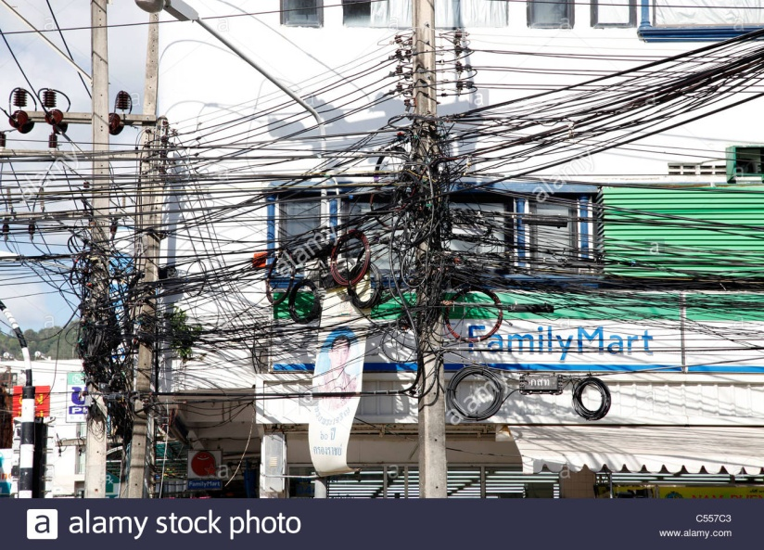 | location/proximity to other uses
Note: The source of all pictures is internet and the purpose of these is just to show the graphical presetation of the respected VPO. Author is collecting pictures in our context which will be used in future for such purposes.

